Referral
Referral Form for Employment Services at Immigrant Centre Manitoba
 Please fill out and email this form to amembreno@icmanitoba.com. Waiting Periods Due to an overwhelming demand for employment services, most referred individuals can expect to be contacted in 3-5 weeks to schedule their appointment. Referrals may be contacted earlier if we have cancellations. Please INFORM REFERRALS TO CHECK THEIR EMAILS (including spam) and ANSWER PHONE CALLS from Immigrant Centre Manitoba. If referred individuals do not respond we will contact the next person on the list. Thank you for your understanding and patience. Amie Membreño Manager of Employment Services Immigrant Centre Manitoba 100 Adelaide Street, Winnipeg, Manitoba R3A 0W2 Phone 204 943 9969 Ext249 Email: amembreno@icmanitoba.com Web: www.icmanitoba.com
Case Worker Information (Person Making Referral)
First and Last Name of Case Worker
Phone Number of Case Worker
Email of Case Worker
Organization of Case Worker
Client Information (Person Being Referred)
Client's Full Name (first, middle, last)
Client's Phone Number
Client's Email Address
What is the client's immigration status?
What is the client's level of English
What language(s) does the client speak?
When is the client available for a 90 minute appointment?
Comments (anything we should know about referral)
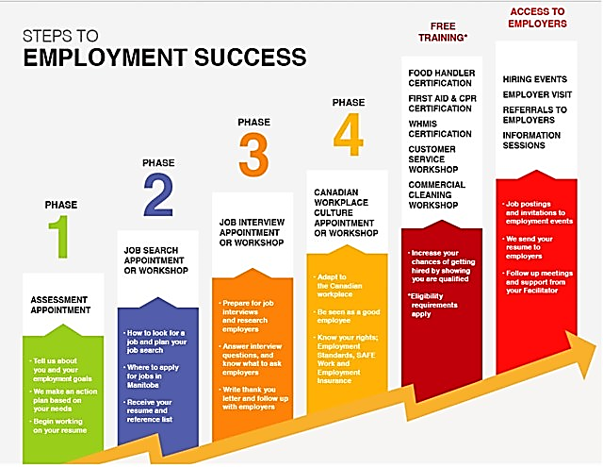

Immigration Status Categories | Client English Level
Permanent Resident (Family/Economic/Skilled Worker/MPNP Stream) | Beginner English (CLB 1-2)
Permanent Resident (Refugee Stream) | High Beginner to Low Intermediate English (CLB 3-5)
International Student/Post Grad Work Permit/Spouse of International Student with Open Work Permit) | High Intermediate to Fluent English (CLB 6+)
Open Work Permit Holder (CUAET from Ukraine)
Open Work Permit Holder (Refugee Claimant waiting for hearing or appeal with Refugee Board)
Open Work Permit Holder (Convention Refugee - Approved by Refugee Board)
Citizen (Naturalized Canadian Citizen)
Open Work Permit Holder (other Open Work Permit not listed above)
Visitor Visa/Closed Work Permit - NOT ELIGIBLE FOR EMPLOYMENT SERVICES

Client Availability
Monday to Saturday anytime from 8:30 am to 8:30 pm
Mondays to Fridays morning from 8:30 am to noon
Mondays to Fridays afternoon from 1:00 pm to 4:30 pm
Mondays to Fridays evening from 4:30 pm to 8:30 pm
Saturdays only

